TEST CASE
PROJECT NAME: TOOLSHOP WEB APPLICATION
CREATED BY: HALIMA SUBAIDHA
 |  |  |  |  |  |  | https://practicesoftwaretesting.com/

Test Case ID | Test Type | Environment | Module | Test Scenario | Title/Description | Prerequisites | Data | Test Steps | Expected Result | Status | Defects if Any | Executed By | Executed Date | Comments if Any
TC-001 | Functional | Chrome 154.0.8037.92 Web application | REGISTRATION | Verify the Password strength indicator | Verify while creating password system guides the user with given rules and indicator to create a strong password | 1. URL launched successfully and user on Registration page |  | 1. Navigate to the registration page. 2. Scroll down to the Password field. 3. Type a strong character sequence (e.g., Mix of uppercase, lowercase, numbers, and symbols). 4. Observe the password strength indicator bar/text while typing. 5. Click outside the input box (lose focus) and observe again. | 1. Registrattion page should launch successfully 2. Password field should be empty 3. The strength indicator should update instantaneously on every keypress (oninput event) to give immediate visual feedback. | FAIL | The indicator delays, updates late, or only updates after the field loses focus (onchange / onblur event).
TC-002 | Functional | Chrome 154.0.8037.92 Web application | SIGN IN | Verify User can sign in successfully with valid credentials | Verify whether user can sign in successfully with valid credentials | 1. User registered successfully 2. User on login page | customer@practicesoftwaretesting.com welcome01 | 1. Enter valid EMAIL AND PASSWORD on teir respective fields 2. Click on SIGN IN button | 1. Entered email should display in Email text box and Password should be masked 2. User should login successfully and home page should be launched | PASS BUT VERIFY WITH MENTOR | It works perfectly for the credentials mentioned in the doc. but not for the newly registered account need to verify this | HALIMA SUBAIDHA | 2026-02-10
TC-003 | Functional | Chrome 154.0.8037.92 Web application | SIGN IN | Verify User get error message or validation message while sign in with invalid credentials | Verify whether the validation message display when the user try to enter invalid credentials | 1. User registered successfully 2. User on login page | customer@practicesoftwaretesting.com hello123 | 1. Enter valid EMAIL AND invalid PASSWORD on teir respective fields 2. Click on SIGN IN button | 1. Entered email should display in Email text box and Password should be masked 2. User shoudl be restricted on logging in and validation message should display as "Invalid email or password" | PASS |  | HALIMA SUBAIDHA | 2026-02-10
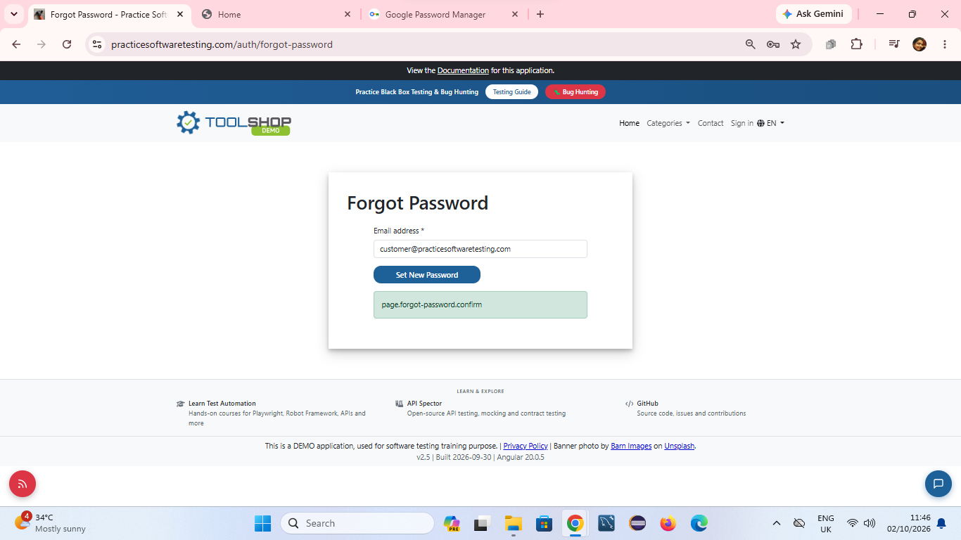
TC-004 | Functional | Chrome 154.0.8037.92 Web application | FORGOT PASSWORD | Verify User can able to request a password reset using a registered email address. | Verify whether the user could set new password through forgot password feature | 1. User registered successfully 2. User on login page | customer@practicesoftwaretesting.com lakshitreyan@gmail.com | 1. Click on Forgot password link below sign in 2. Enter valid registered mail id on email text box 3. Click on SET NEW PASSWORD button | 1. User redirected to password reset page 2. user shoudl receive reset password link to the registered mail id | FAIL | Instead of redirecting to the reset password function error message displays as "page.forgot-password.confirm" | HALIMA SUBAIDHA | 2026-02-10 | Tester tried with both default login credentials and newly registered credentials the defect appears
TC-005 | Functional | Chrome 154.0.8037.92 Web application | PRODUCT DETAILS | Verify User can able to view product details. | Verify the user is redirected to the particular product description page | 1. User logged in with valid credentials 2. User on Home page | customer@practicesoftwaretesting.com welcome01 | 1. Click on any product displays on the HOME page | 1. Product detail page of an selected item should open | PASS |  | HALIMA SUBAIDHA | 2026-02-10
TC-006 | Functional | Chrome 154.0.8037.92 Web application | Search | Verify application displays only products related to the search content | Application should display the item related to the search content for further actions | 1. User logged in with valid credentials 2. User on Home page | customer@practicesoftwaretesting.com welcome01 Search: Hammer | 1. Click on Search text box and enter any term here we used hammer 2. Click on Search button | 1. All the items with related search content shoudl display on the page and product count should match the list of items | PASS |  | HALIMA SUBAIDHA | 2026-02-10
TC-007 | Functional | Chrome 154.0.8037.92 Web application | CART | Verify user able to add different items in cart. | Verify user could add different kind of items to cart | 1. User logged in with valid credentials 2. User on Home page | customer@practicesoftwaretesting.com welcome01 | 1. Click on any product displays on the HOME page 2. Click on ADD TO cart button nearby the Product image 3. Click on Home link on top of the page 4. Click on any other product and again click on add to cart button 5. Click on CART icon on top of thhe page | 1. Product detail page shoudl open 2. "Product added to cart" validation message displays and product should added successfully into the cart 3. Home page should open with all the available products 4. Product detail page should open. Product should added to cart nd "Product added to cart "validation message display 5. All the selected items should display with selected quantity in the cart | PASS |  | HALIMA SUBAIDHA | 2026-02-10
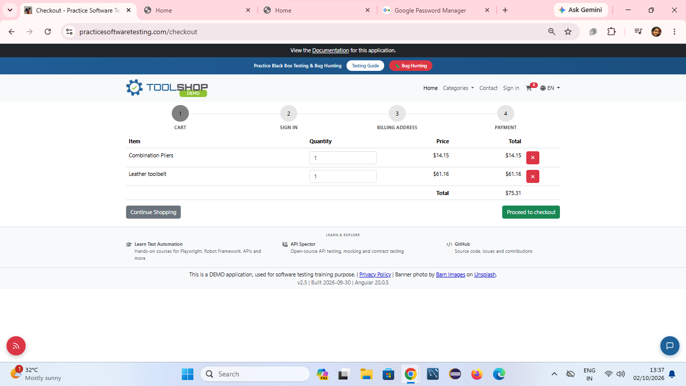
TC-008 | Functional | Chrome 154.0.8037.92 Web application | COMPARE | Verify User can select the products to compare and recives validaion message if the limit exceeds | Verify product comparison limits: Validate that the system allows adding products up to the maximum permitted limit and correctly displays a restriction validation message if a user tries to exceed the limit. | 1. User logged in with valid credentials 2. User on Home page | customer@practicesoftwaretesting.com welcome01 | 1. Select any product displayed on the Home page. 2 On the Product Detail page, click the Compare button near the product image. 3 Verify the validation message displayed at the bottom of the page. 4 Click the Home link at the top of the page. 5 Select another product and click the Compare button. 6 Repeat the process until the maximum comparison limit is reached. 7 Attempt to add another product after reaching the maximum comparison limit. | 1. The selected product's Product Detail page should open. 2. After clicking Compare for the first product, a validation message should be displayed confirming that 1 item has been selected, and the product should be added successfully to the Compare feature. 3. After selecting additional products, the validation message should update accordingly (for example, 2 items selected, 3 items selected, etc.). 4. Once the maximum comparison limit is reached, the application should display an appropriate maximum limit warning/restriction message. 5. The application should prevent the user from adding any additional product beyond the allowed comparison limit. | FAIL | VALIDATION MESSAGE DOESNT DISPLAY WHEN THE FIRST ITEM SELECTED. IT DOES DISPLAY ONLY FROM 2ND TO 4TH ITEM. ONLY FOUR ITEMS CAN BE COMPARED VALIDATION ALSO NOT DISPLAY | HALIMA SUBAIDHA | 2026-02-10
TC-009 | Functional | Chrome 154.0.8037.92 Web application | Checkout | Verify user able to complete checkout successfully. | User should be able to successfully check out the item | 1. User logged in with valid credentials 2. User on Home page | customer@practicesoftwaretesting.com welcome01 | 1. Click on any product card from the grid on the Home page. 2. Click the Add to Cart button. 3. Click on the Cart icon in the top navigation bar to view the basket. 4. Click Proceed to Checkout. 5. Complete Step 1 (Billing Address) and click Proceed to Checkout. 6. Complete Step 2 (Payment Method), select a payment type (e.g., Credit Card/Cash on Delivery), fill in details, and click Confirm / Pay. | 1. Selected product should load its detail view. 2. Cart counter increments to 1. 3. Cart summary page accurately shows item name and price. 4. Application transitions through the structured 3-4 step pages sequentially. 5. An Order Confirmation / Payment Successful screen displays with a unique Invoice/Order ID. | PASS |  | HALIMA SUBAIDHA | 2026-02-10
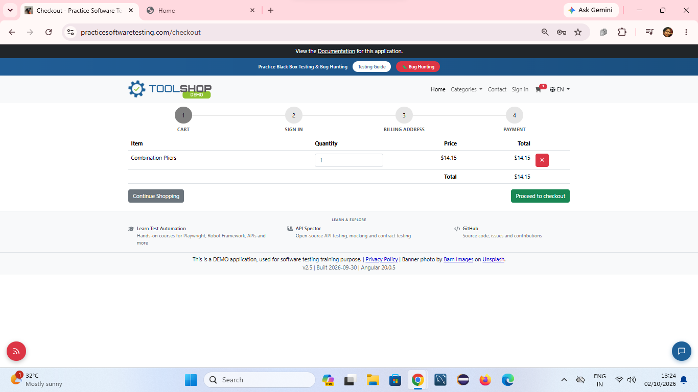
TC-010 | Functional | Chrome 154.0.8037.92 Web application | Signout | Verify user able to sign out successfully | User should successfully signout and the page should return to Home page | 1. User logged in with valid credentials 2. User on Home page 3. User selected an item and on SHIPPING ADDRESS PAGE | customer@practicesoftwaretesting.com welcome01 | 1. Click on profile name on top right corner of the page 2. Select Sign out from the drop down menu | 1. Drop down menu should display with GIVEN list of elements 2. User shoudl signed out immediately and the home page should open without any traces of the previously logged in customers activity | FAIL | Despite just showing only home page with product list application show the cart page with previously selected item details | HALIMA SUBAIDHA | 2026-02-10

